CEA
CML Customer's Name |  | Theben, DE, Haigerloch | Issued by Factory Engineer
CML Customer's P/N |  | 350643-00 350644-00 | Factory P/N | JP2C444LA0 JP2C445LA0
CML P/N |  | 02R015591.A00 02R015592.A00 | Date | 2022-09-02

Customer Engineering Approval
The changes listed below have been approved by the customer through the technical queries before the production start of the samples.
Choosen Base Material |  | See Q1 | Choosen Solder Mask | See Q2

No | Description of the Problem/picture | Suggestion/Proposal | Customer Response | EQ Status
1 | 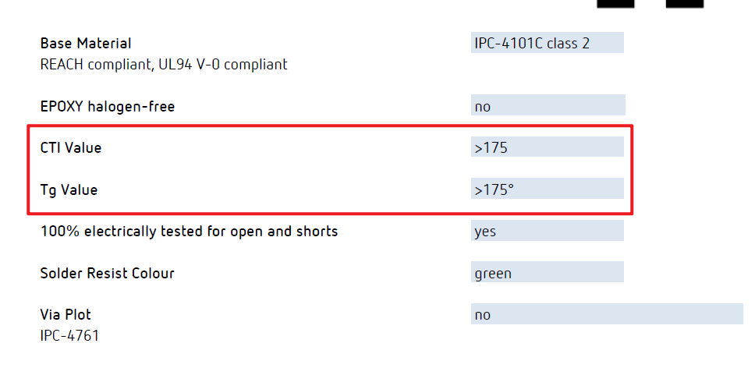 350643-00:For base material type 350644-00:About base maerial,the requirements for Tg values are not the same | 350643-00:Suggest to use S1000-2M,TG: >170 ºC,CTI: PLC 3 (>=175 V) material. Please confirm 350644-00:Suggest to use S1000H,TG: 150 ºC,CTI: PLC 3 (>=175 V) material. Please confirm | Theben RMI: confirmed to use S1000-2M for PCB 350643-00 Theben RMI:confirmed to use S1000H for PCB 350644-00
2 | customer don't indicate soldermask type. | Suggest to use YSR-900 G01 with glossy green. Please confirm | STG MN: confirmed Theben RMI: confirmed
3 | About UL | We'll place our UL(ST-G 7JD 兄 94V-0 ) ,date code YYWW and CTI>175 on top S/M layer(Since September 2nd, our company name has changed, so UL uses ST-G). Please confirm | STG MN: confirmed Theben RMI: confirmed
4 | About copper thickness,we con't fulfill the 70um for 35um base copper thickness. | We have two suggestions: A:We suggest using base copper thickness 35um to do , finished copper thickness of the outer layer is 52.9um min B:Ignore base copper 35um,just control the final copper thickness 70um min Please choose A or B | STG MN: confirmed B Theben RMI: Follow B
5 | The notes in the drawing are not in English,we believe that this tolerance is the dimension tolerance without marking | Please confirm | STG MN: confirmed, dimenions without tolerance on drawing follow +/-0.15mm Theben RMI: confirmed
6 | The unit board size is too small (47*22mm). It will bring the difficulty during the process | We suggest make a panel to produce and ship the pcb with the panel,please kindly accept to deliver panel board(use connection bits to connect,the number, location, and size of the connection bits are up to us),see attachment panel drawing Please confirm | STG MN: not confirmed, delivery has to be as single pcb Theben RMI: not confirmed. We need the PCBs as single PCBs.
7 | 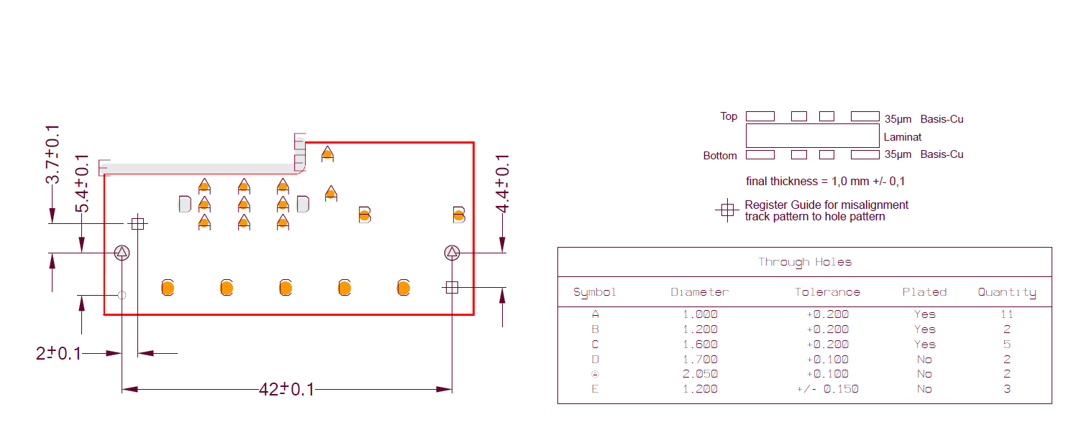 The customer does not prepare a bad mark location. | We suggst the bad PCBs in a panel only marked X with a black marker on both sides Please confirm | STG MN: see Q7 Theben RMI: confirmed
Date |  |  | Customer's Signature
02.09.2022 / 05.09.2022 |  |  | STG: M.Neeff Theben: M.Roth

